2021
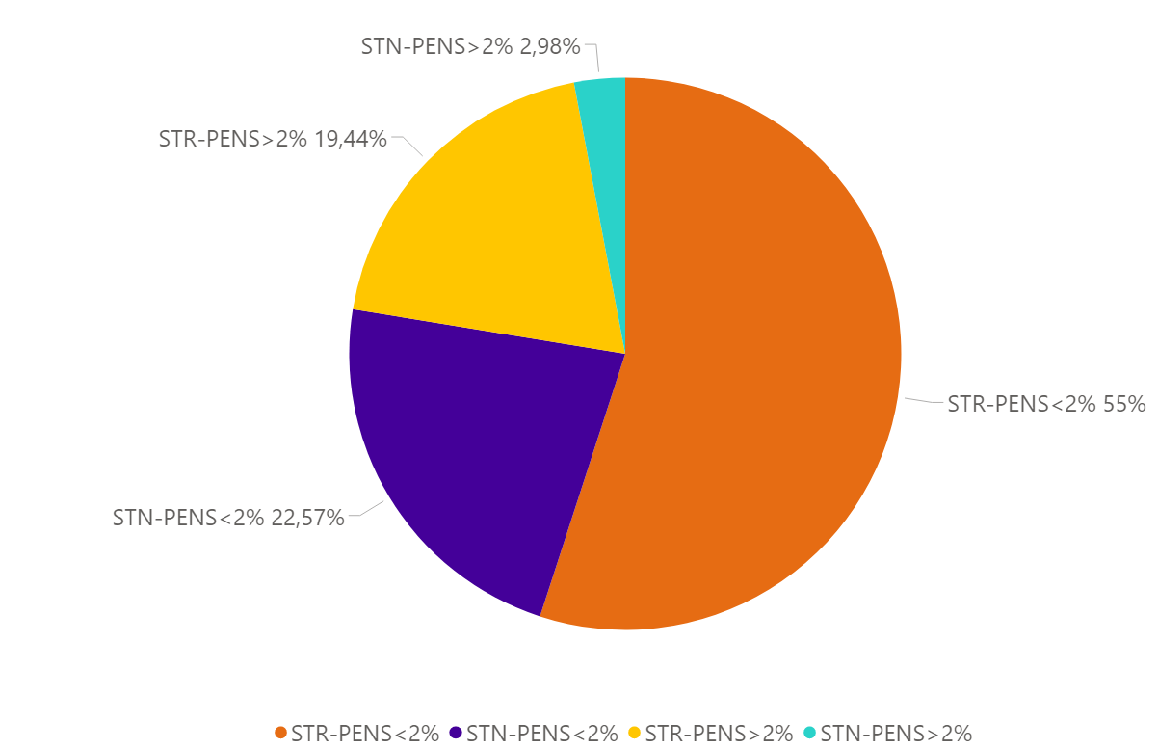
Eventos 2021
TIPO-PENS | %eventos | eventos
STR-PENS>2% | 19.44% | 515
STR-PENS<2% | 55.00% | 1457
STN-PENS>2% | 2.98% | 79
STN-PENS<2% | 22.57% | 598
Total | 100% | 2649

PENS < 2%
1972
677
STR
STN
+
2649
=
TOTAL
STR
STN
PENS < 2% = 1457
SIN DNA = 1306
DNA > 0 = 151
PENS > 2% = 515
SIN DNA = 353
DNA > 0 = 162
PENS < 2% = 598
SIN DNA = 584
DNA > 0 = 14
PENS > 2% = 79
SIN DNA = 77
DNA > 0 = 2

2022
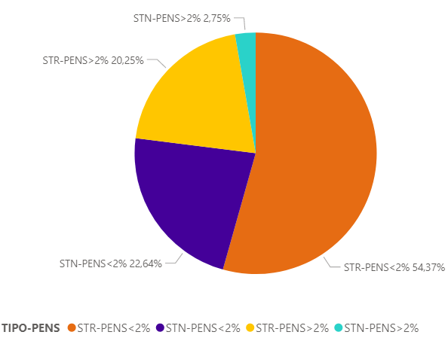
Eventos 2022
TIPO-PENS | %eventos | eventos
STR-PENS>2% | 20.25% | 561
STR-PENS<2% | 54.37% | 1518
STN-PENS>2% | 2.75% | 77
STN-PENS<2% | 22.64% | 629
Total | 100% | 2785

PENS < 2%
2079
706
STR
STN
+
2785
=
TOTAL
STR
STN
PENS < 2% = 1518
SIN DNA = 1383
DNA > 0 = 135
PENS > 2% = 561
SIN DNA = 412
DNA > 0 = 149
PENS < 2% = 629
SIN DNA = 624
DNA > 0 = 5
PENS > 2% = 77
SIN DNA = 76
DNA > 0 = 1

